Datailed Inquiry Information
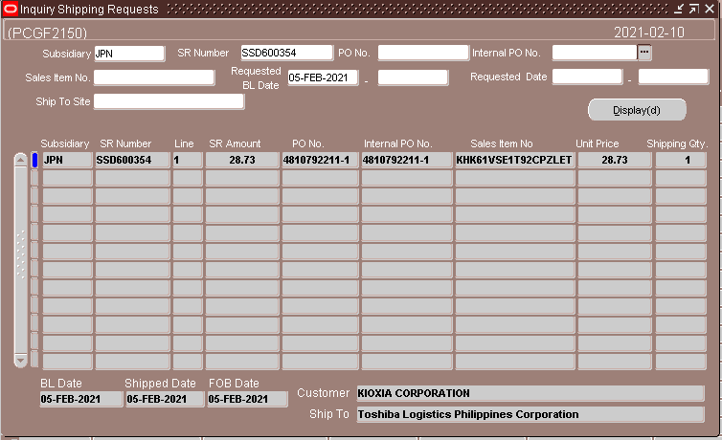
Detailed Inquiry Information

 | PLEASE PROVIDE EVIDENCE OF REQUEST / DETAILS OF REQUEST HERE (IN DETAIL).

 | We have wrong shipment destination last February 5.
 | Supposedly we need to change the Ship to code and WHSE code mannually.

 | Actual: FROM TIP -> 48M (PLC)
 | Required: FROM TIP -> YOKKAICHI (SEIGISSD)

Actual Operation Evidence
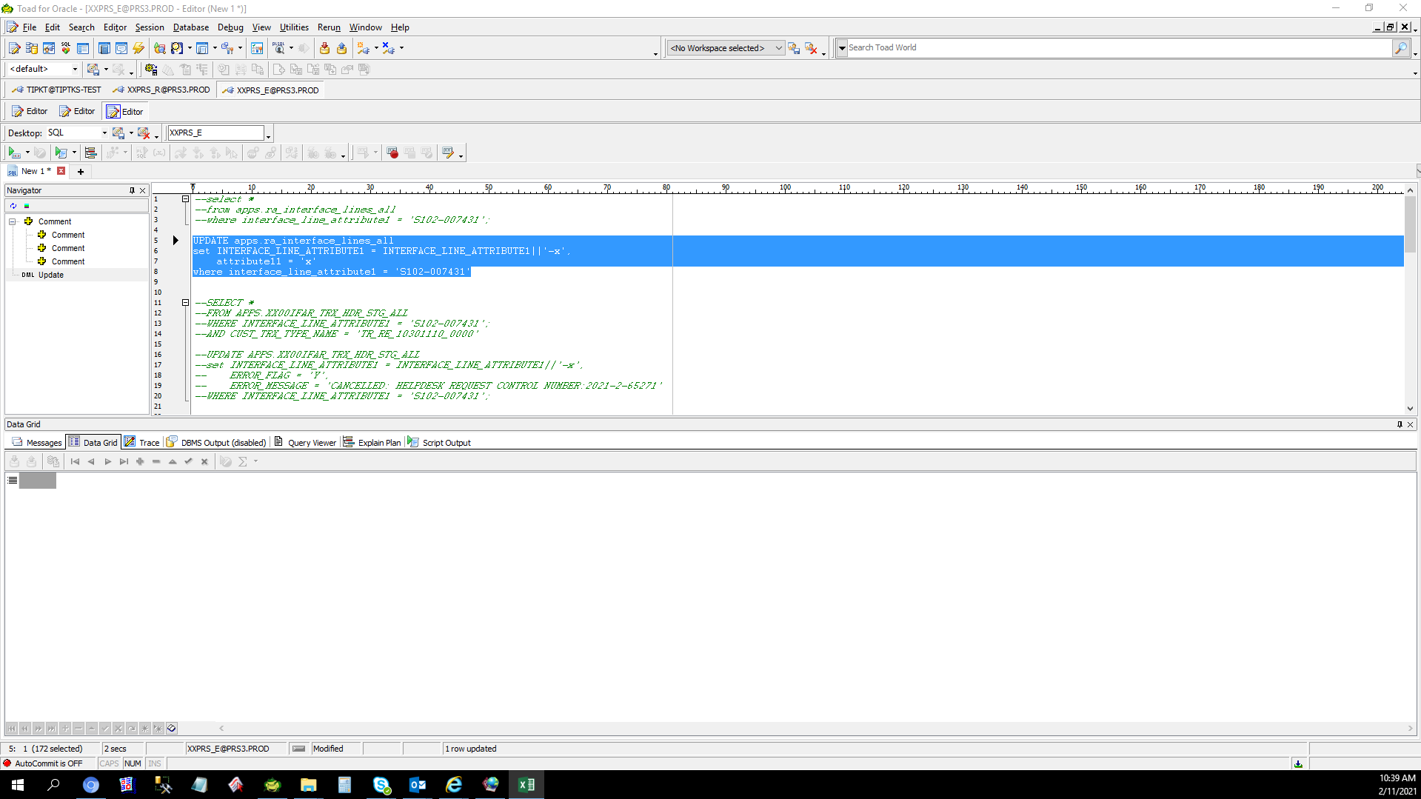
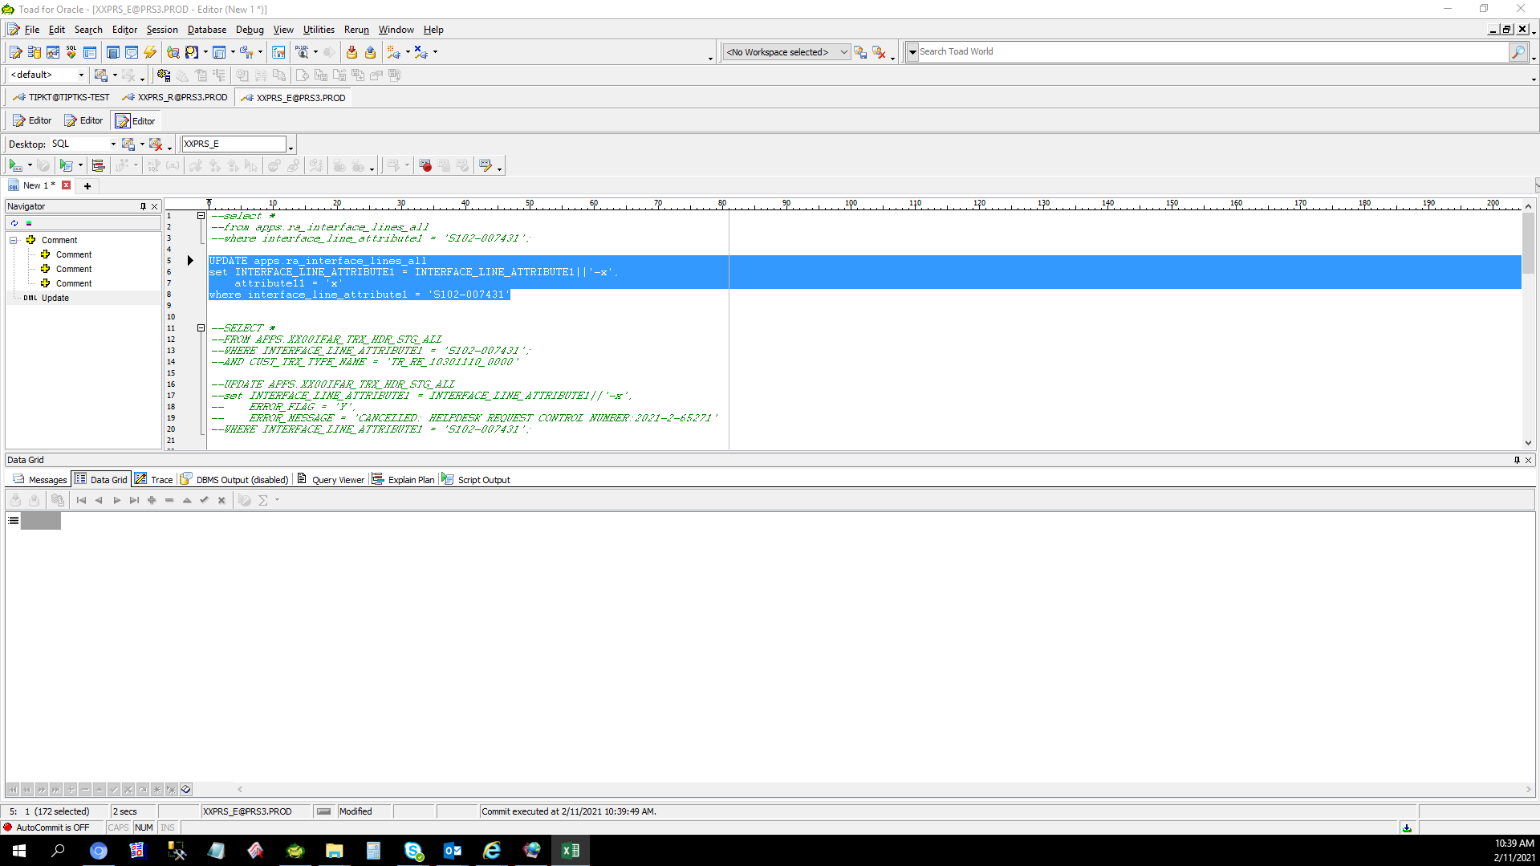
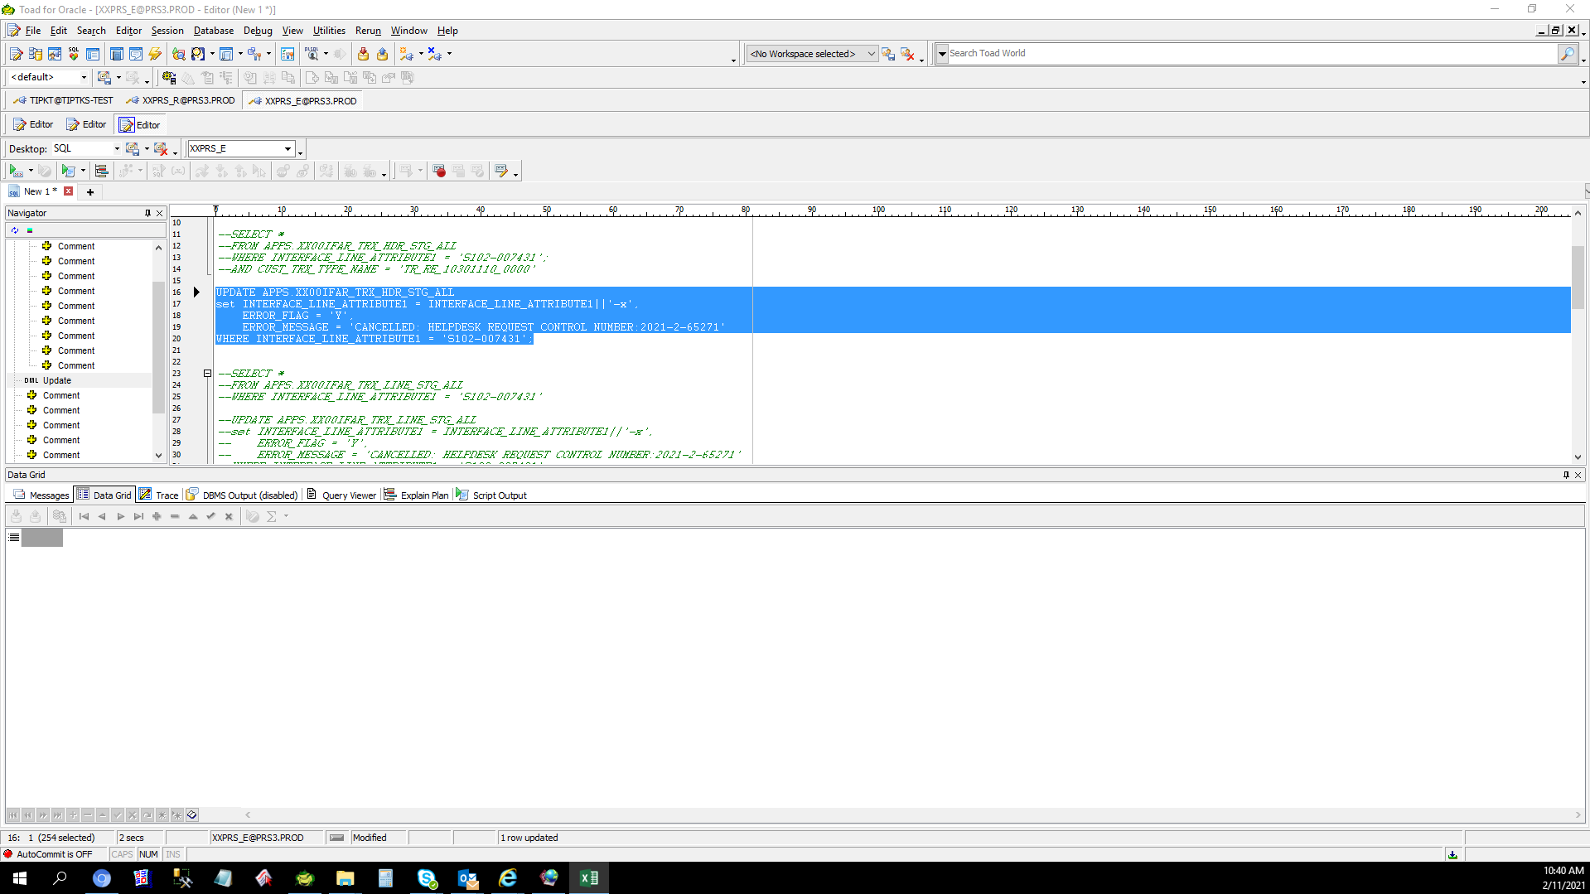

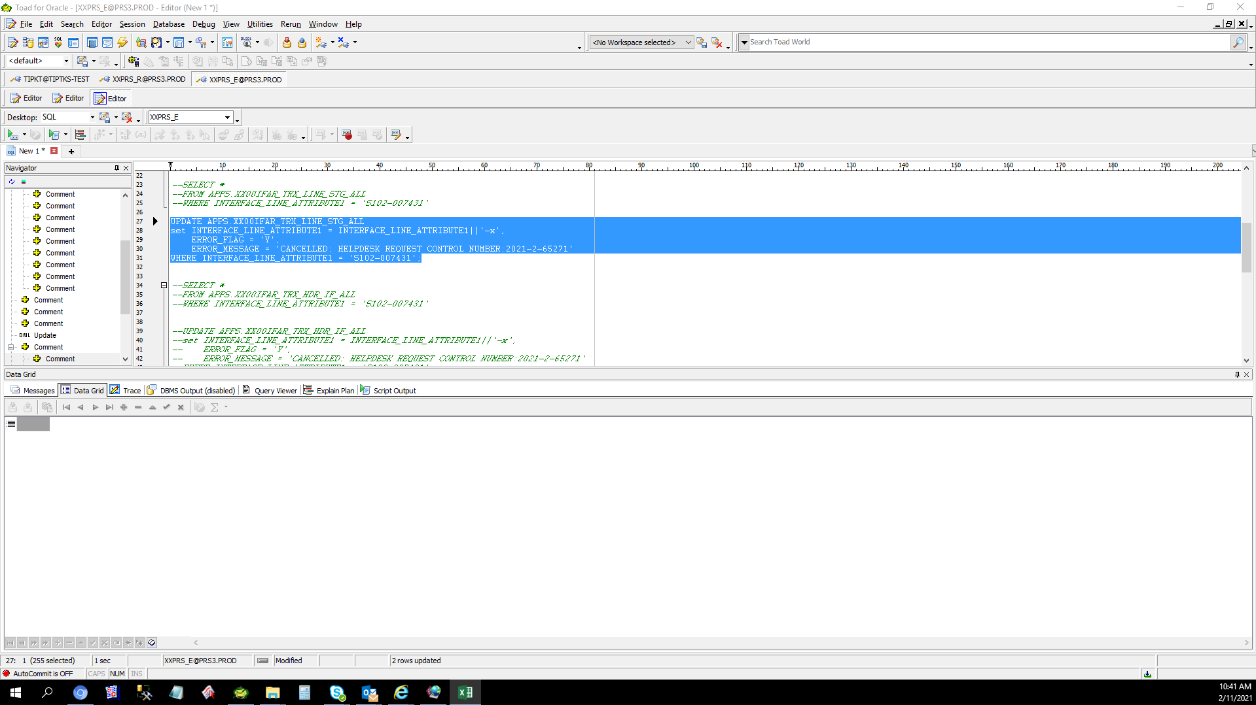

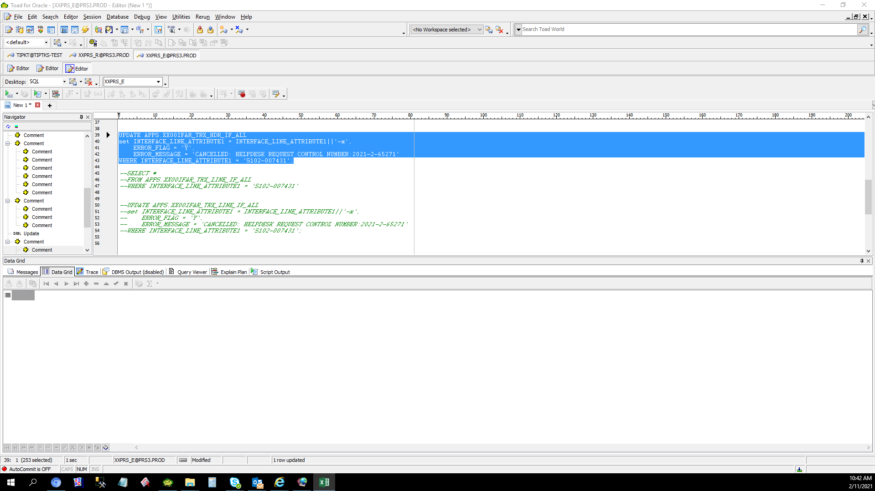
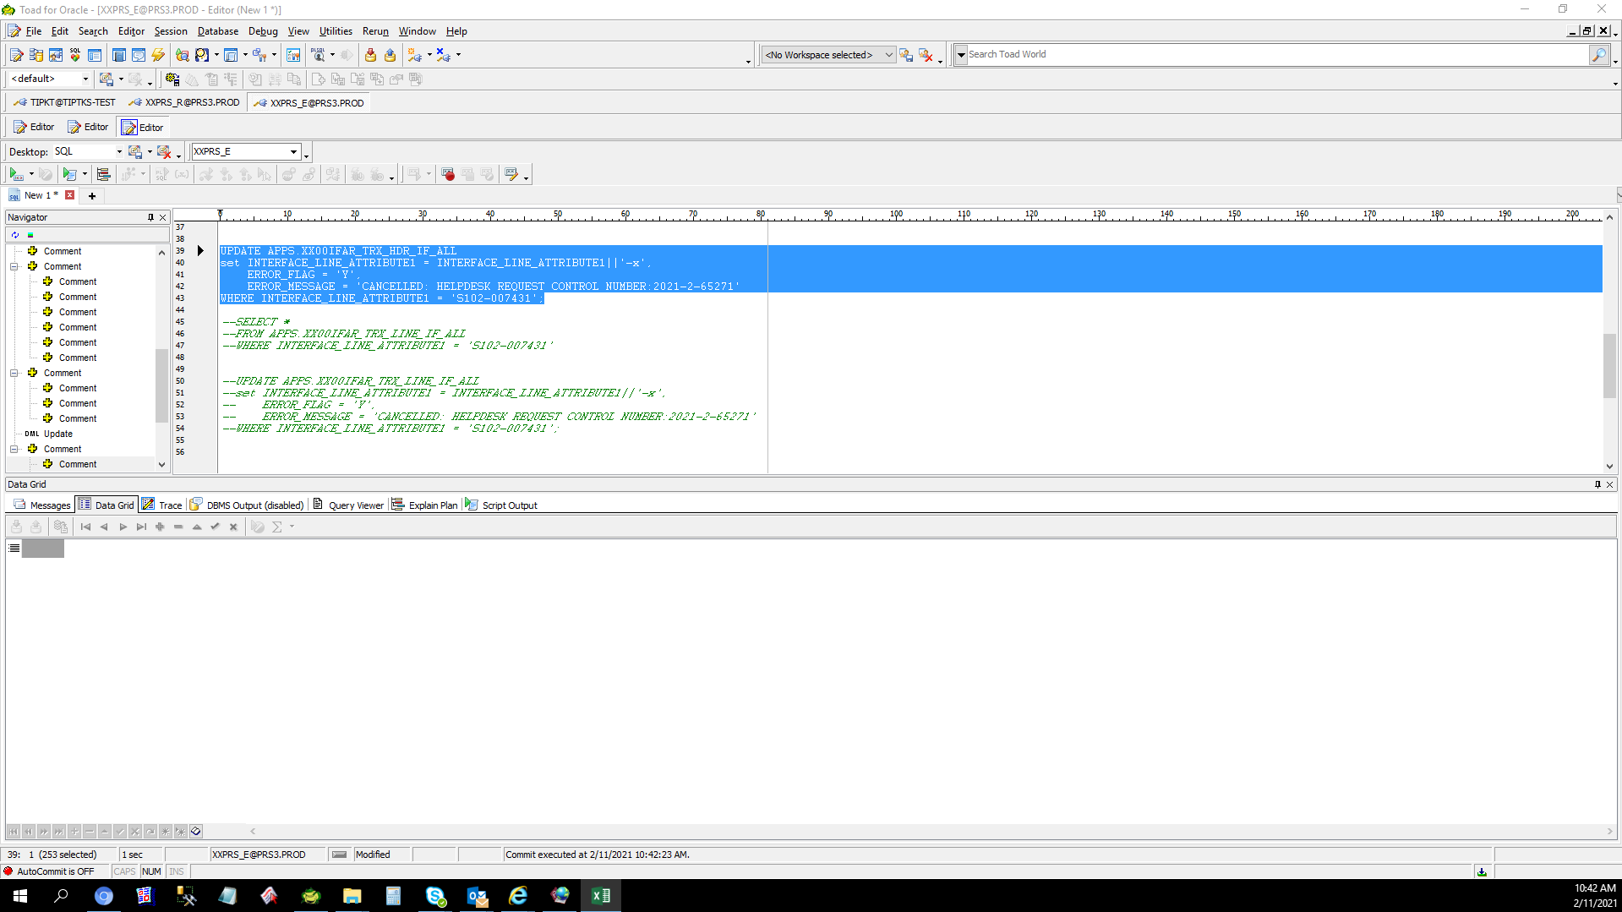
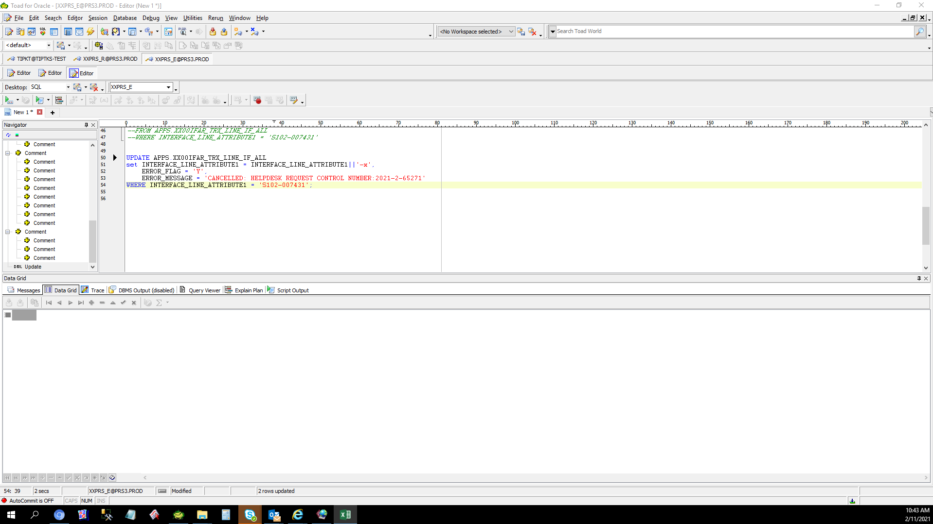
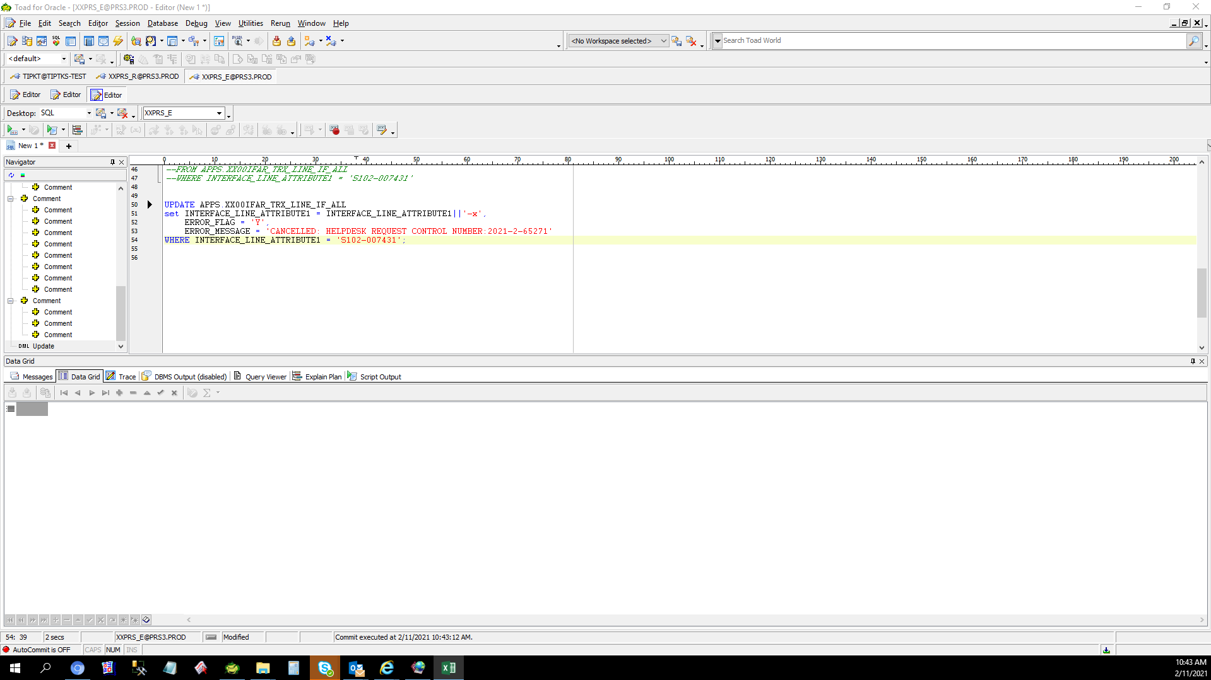
Actual Operation Evidence

Helpdesk Request
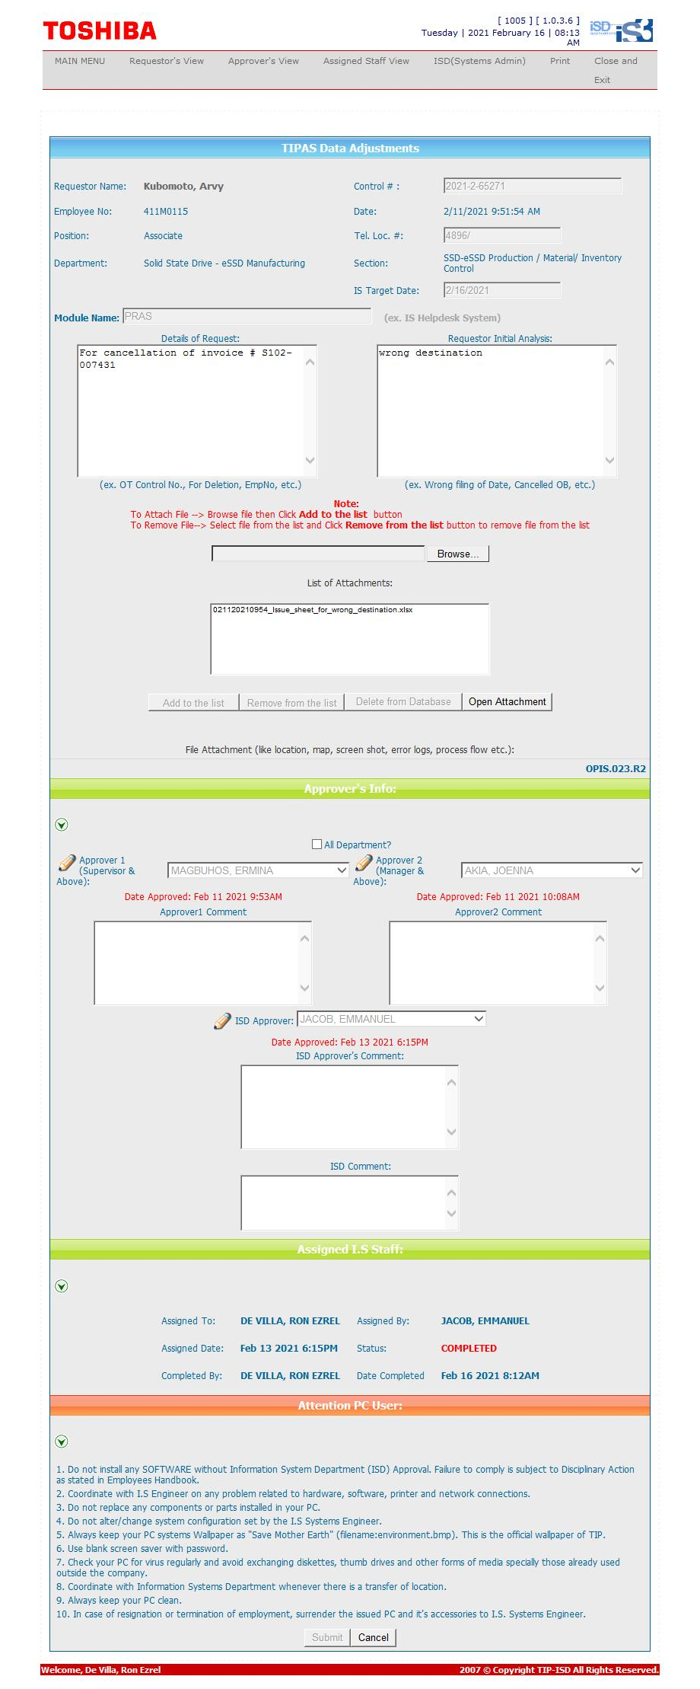
Helpdesk Request

